Scenario List
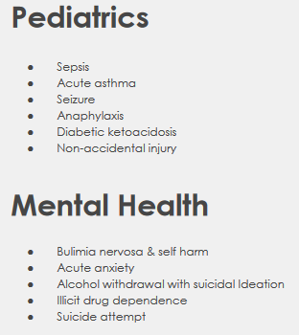
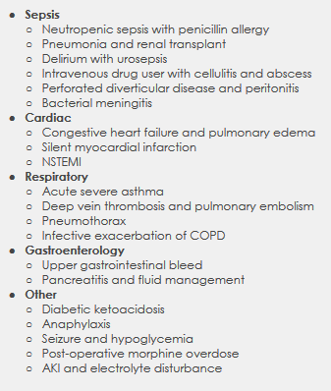
OMS | See full details here | Kognito | UCLA Team Training | Anesoft | Laerdal
 |  | Scenario List Found Here | Goal is to teach and assess teamwork & communication skills in setting of 3 scenarios: 1) ED MVA ; 2) OR Hernia Repair; and 3) ICU GI Bleed | Anesoft Case Library | 1. Suspected COVID-19 Scenario by EM Sim Cases: Preprogrammed for LLEAP and SimPad 2. Suspected Uncomplicated Novel COVID-19 Infection (ARI) 3. Severe Novel COVID-19 Infection (SARI) 4. Respiratory Stabilization on Ventilator - Advanced Respiratory Care 5. Inspiratory Dyssynchrony on Ventilator - Advanced Respiratory Care 6. Proning Procedure of Patient on a Ventilator - Advanced Respiratory Care
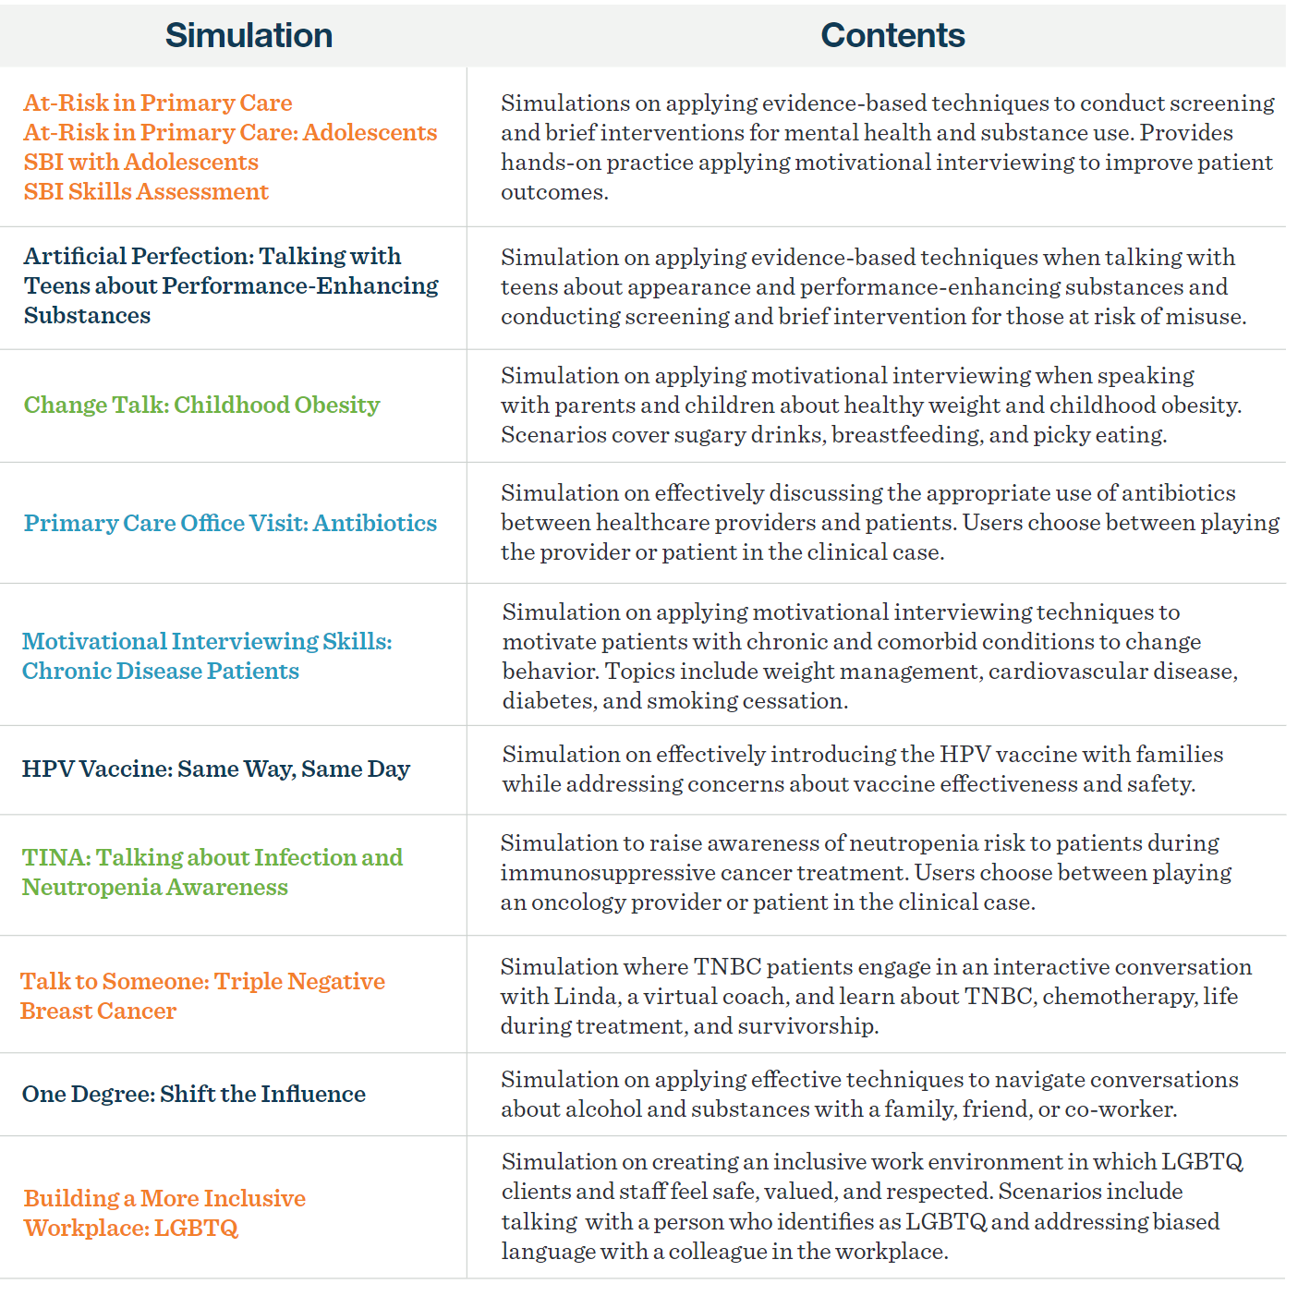
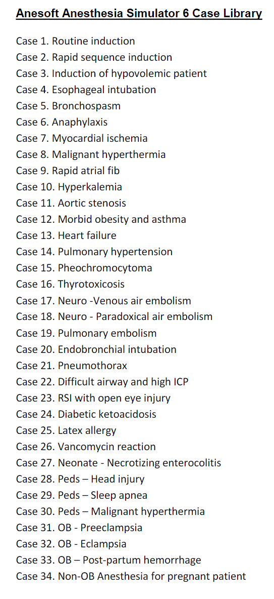

Each Scenario listed above is able to be run for:
Medical Emergencies
Nursing Emergencies
Junior Nursing Medical Surgery Emergencies

